Sheet1
No. | Description | Material | DIN | Column5 | Column6
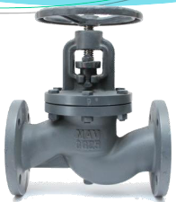
1 | Body (1) | Cast Iron | 0.6025
 | Body (2) | Ductile cast iron | 0.7043
 | Body (3) | cast steel | 1.0619

2 | Bonnet (1) | Cast Iron | 0.6025
 | Bonnet (2) | Ductile cast iron | 0.7043
 | Bonnet (3) | cast steel | 1.0619
A | Seat Ring | Stainless Steel | 1.4021
3 | Plug | Stainless Steel | 1.4021
4 | Stem | Stainless Steel | 1.4021
6 | Bonnet gasket | Pure graphite, 98% reinforced by Means of stainless-steel foil
7 | Gland packing | Pure graphite. 98%
8 | Stud bolt | Alloy Steel | 1.7218
9 | Hexagon nut | Alloy Steel | 1.1181
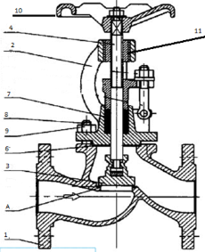
10 | Handwheel | Cast Iron | 0.6025
11 | Threaded Bushing | Carbon Steel | 1.0715
 |  |  | Pressure - Temperature - Rating
Operating Temp °C |  | GG-25 | GGG 40.3 | GS-C25N
 |  | PN 16 | PN 25 | PN 40
-10 |  | 16 | 25 | 40
20 |  | 16 | 25 | 40
100 |  | 16 | 25 | 40 |  |  |  | ▪Cast steel PN 40
120 |  | 16 | 25 | 40 |  |  |  | ▪Cast Iron PN 16
150 |  | 15.1 | 24 | 37.7 |  |  |  | ▪DN 15 – 200
200 |  | 12.8 | 23 | 35 |  |  |  | ▪Type / G 1030
250 |  | 11.2 | 21.8 | 32
300 |  | 9.6 | 20 | 28
350 |  | --- | 17.5 | 24
400 |  | --- | --- | 21

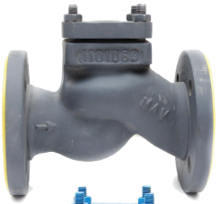
lift check valve
 | Item No. | Description | Material | Column4
 |  |  | Cast Iron | 0.6025
 | 10 | Body Cover | Ductile cast iron | 0.7043
 |  |  | cast steel | 1.0619
 | 11 | Lift check disc | Stainless Steel | 1.4021
 | 12 | Return spring | Stainless Steel | 1.4021

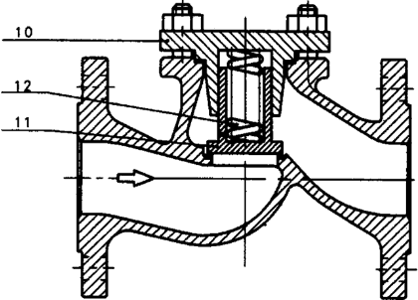

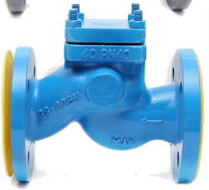

 |  |  |  |  |  | ▪Cast steel PN 40
 |  |  |  |  |  | ▪Cast Iron PN 16
 |  |  |  |  |  | ▪DN 15 – 200
 |  |  |  |  |  | ▪Type / G 3030

deminsions and weights
Column1 | Column2 | Column3 | Column4 | Column5 | Column6 | Column7 | Column8 | Column9 | Column10 | Column11 | Column12 | Column13 | Column14 | Flanged ends | Column16 | Column17 | Column18 | Column19 | Column20 | Column21 | Weight (Kg) | Column23
 |  |  |  |  |  |  |  |  |  |  |  |  |  |  |  |  | Bolts |  |  |  | With Flanged ends
PN | DN | L | H1 | H2 | H3 | H4 | H5 | H6 | H7 | D1 | d2 |  |  |  |  |  | Thread | d3 | Type 1030/ 1230 | Type 1064 | Type Type 3030 7305
 | 15 | 130 | 205 | 7 | 175 | 215 | 6.5 | 80 | 80 | 125 | 95 | 65 | 16 | 45 | 2 | 4 | M12 | 14 | 5 | 5.2 | 3.3 | 3.5
 | 20 | 150 | 205 | 7 | 175 | 215 | 6.5 | 80 | 80 | 125 | 105 | 75 | 18 | 58 | 2 | 4 | M12 | 14 | 5.7 | 5.9 | 4.3 | 4.2
 | 25 | 160 | 205 | 7 | 175 | 215 | 6.5 | 80 | 80 | 125 | 115 | 85 | 18 | 68 | 2 | 4 | M12 | 14 | 6.8 | 7 | 5 | 4.8
 | 32 | 180 | 235 | 10 | 200 | 250 | 8 | 90 | 85 | 160 | 140 | 100 | 18 | 78 | 2 | 4 | M16 | 18 | 10.3 | 10.7 | 7.5 | 9.5
 | 40 | 200 | 260 | 16 | 225 | 275 | 8.5 | 120 | 115 | 160 | 150 | 110 | 18 | 122 | 3 | 4 | M16 | 18 | 13.8 | 14.2 | 10.5 | 11.5
 | 50 | 230 | 260 | 21 | 225 | 275 | 10.5 | 120 | 130 | 160 | 165 | 125 | 20 | 102 | 3 | 4 | M16 | 18 | 17 | 17.4 | 12.5 | 14.5
16 | 65 | 290 | 315 | 30 | 250 | 340 | 16 | 135 | 155 | 200 | 185 | 145 | 18 | 122 | 3 | 4 | M16 | 18 | 22 | 24.5 | 18.5 | 19.5
 | 80 | 310 | 350 | 32 | 280 | 375 | 17.5 | 150 | 175 | 250 | 200 | 160 | 20 | 133 | 3 | 8 | M16 | 18 | 32 | 35.5 | 27 | 30.2
 | 100 | 350 | 375 | 33 | 300 | 430 | 25 | 170 | 200 | 250 | 220 | 180 | 20 | 158 | 3 | 8 | M16 | 18 | 44.5 | 52 | 40 | 41.5
 | 125 | 400 | 450 | 42 | 360 | 525 | 29 | 180 | 255 | 315 | 250 | 210 | 22 | 184 | 3 | 8 | M16 | 18 | 63.5 | 75 | 56 | 67
 | 150 | 480 | 465 | 65 | 400 | 580 | 35 | 200 | 285 | 315 | 285 | 240 | 22 | 212 | 3 | 8 | M20 | 22 | 78.5 | 95 | 78 | 90
 | 200 | 600 | 530 | 70 | 460 | 650 | 46 | 250 | 370 | 400 | 340 | 295 | 24 | 268 | 3 | 12 | M20 | 22 | 147 | 184 | 140 | 160
 | 15 | 130 | 205 | 7 | 175 | 215 | 6.5 | 80 | 80 | 125 | 95 | 65 | 16 | 45 | 2 | 4 | M12 | 14 | 5 | 5.2 | 3.3 | 3.5
 | 20 | 150 | 205 | 7 | 175 | 215 | 6.5 | 80 | 80 | 125 | 115 | 85 | 18 | 68 | 2 | 4 | M12 | 14 | 5.7 | 5.9 | 4.3 | 4.2
 | 25 | 160 | 205 | 7 | 175 | 215 | 6.5 | 80 | 80 | 125 | 115 | 85 | 18 | 68 | 2 | 4 | M12 | 14 | 6.8 | 7 | 5 | 4.8
 | 32 | 180 | 235 | 10 | 200 | 250 | 8 | 90 | 85 | 160 | 140 | 100 | 18 | 78 | 2 | 4 | M16 | 18 | 10.3 | 10.7 | 7.5 | 9.5
 | 40 | 200 | 260 | 16 | 225 | 275 | 8.5 | 120 | 115 | 160 | 150 | 110 | 18 | 88 | 3 | 4 | M16 | 18 | 13.8 | 14.2 | 10.5 | 11.5
 | 50 | 230 | 260 | 21 | 225 | 275 | 10.5 | 120 | 130 | 160 | 165 | 125 | 20 | 102 | 3 | 4 | M16 | 18 | 17 | 17.4 | 12.5 | 14.5
40 | 65 | 290 | 315 | 30 | 230 | 340 | 16 | 135 | 155 | 200 | 185 | 145 | 22 | 122 | 3 | 8 | M16 | 18 | 23 | 24.5 | 19.5 | 20
 | 80 | 310 | 350 | 32 | 280 | 375 | 17.5 | 150 | 175 | 250 | 200 | 160 | 24 | 138 | 3 | 8 | M16 | 18 | 34 | 35.5 | 28 | 30.5
 | 100 | 350 | 375 | 33 | 300 | 430 | 25 | 170 | 200 | 250 | 235 | 190 | 24 | 162 | 3 | 8 | M20 | 22 | 48 | 52 | 40 | 42
 | 125 | 400 | 450 | 42 | 360 | 1) | 1) | 180 | 255 | 315 | 270 | 220 | 26 | 188 | 3 | 8 | M24 | 26 | 69 | 1) | 56 | 67.5
 | 150 | 480 | 465 | 65 | 400 | 1) | 1) | 200 | 285 | 315 | 300 | 250 | 28 | 218 | 3 | 8 | M24 | 26 | 94 | 1) | 78 | 91
 | 200 | 600 | 530 | 70 | 460 | 1) | 1) | 250 | 370 | 400 | 375 | 320 | 34 | 285 | 3 | 12 | M27 | 30 | 165 | 1) | 140 | 161

gate valve

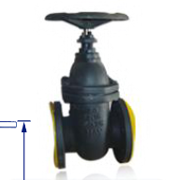
Economic cast iron, full bore gate valve with brass seats. Conforms to DIN3202 F4 with
PN10/16 Flange Connections. Ideally suited for water.

 | Features & Benefits |  |  | Pressure & Temperature

 | ▪Specifications to DIN3202 F4 |  |  | ▪Pressure range Up to 16 Bar
 | ▪Inside screw |  |  | ▪Temperature range -10 °C to 300 °C
 | ▪Non rising stem
 | ▪Cast brass seat
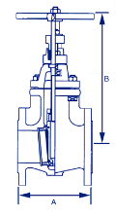
 | ▪Bolted bonnet

 | Materials Specifications

 | Part | Material | Column1 | Column2
 |  |  |  |  |  |  |  | ▪Cast Iron PN 16
 | Body | Cast Iron GG25 |  |  |  |  |  | ▪DN 40 – 300
 | Wedge | Cast Iron GG25 |  |  |  |  |  | ▪ Type / GT 400
 | Body Seat Ring | Brass
 | Stem | Shainless Steel
 | Bonnet | Cast Iron GG25
 | Handwheel | Cast Iron GG25
 | Gland packing | Pure graphite

 | Size | DN 40 | DN 50 | DN 65 | DN 80 | DN 100 | DN 125 | DN 150 | DN 200 | DN 250 | DN 300
 | A | 140 | 150 | 170 | 180 | 190 | 200 | 210 | 230 | 250 | 270
 | B | 230 | 245 | 290 | 315 | 355 | 415 | 460 | 545 | 635 | 725

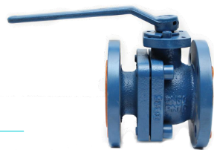
Ball Valve

 | Main parts and materials

 | Part Name | Material

 | Body bonnet | Grey Iron GG25
 | Ball | SS304
 | Shaft | ASTM A276 SS416
 | Seat | PTFE

 | Standards

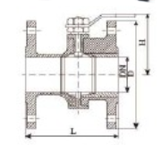
Design STD | Face to Face | Flange End | inspection

BS5159 | DN25- DN100 DIN3202 F4 | DIN2501/DIN2533 | API598
 | DN125- DN250 DIN3202 F5

 | Test

 | Normal pressure | Shell test | Seat test

 | 1.0/1.6 | 1.5/2.4 | 1.1/1.8

 | Dimensions

 | DN | 25 | 32 | 40 | 50 | 65 | 80 | 100 | 125 | 150 | 200 | 250

 | L | 125 | 130 | 140 | 150 | 170 | 180 | 190 | 325 | 350 | 400 | 450
 | D | 115 | 140 | 150 | 165 | 185 | 200 | 220 | 250 | 285 | 340 | 405
 | D1 | 68 | 78 | 88 | 102 | 122 | 138 | 158 | 188 | 212 | 268 | 320
 | P.C.D | 85 | 100 | 110 | 125 | 143 | 160 | 180 | 210 | 240 | 293 | 355

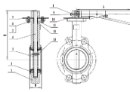
Butterfly Valve

 | DN | 50 | 65 | 80 | 100 | 125 | 150 | 200

 | Φ | 125 | 145 | 160 | 180 | 210 | 240 | 295
 | µ | 170 | 128 | 202 | 222 | 233 | 257 | 295
 | L | 234 | 234 | 264 | 259 | 312 | 312 | 360
 | Z-Φd | 4-Φ23 | 4-Φ23 | 4-Φ23 | 4-Φ23 | 4-Φ23 | 4-Φ26 | 4-Φ26
 | B | 43 | 46 | 46 | 52 | 56 | 56 | 60

 | N˚ | Parts Name | Material
 | 1 | Body | GG25
 | 2 | Seat | EPDM
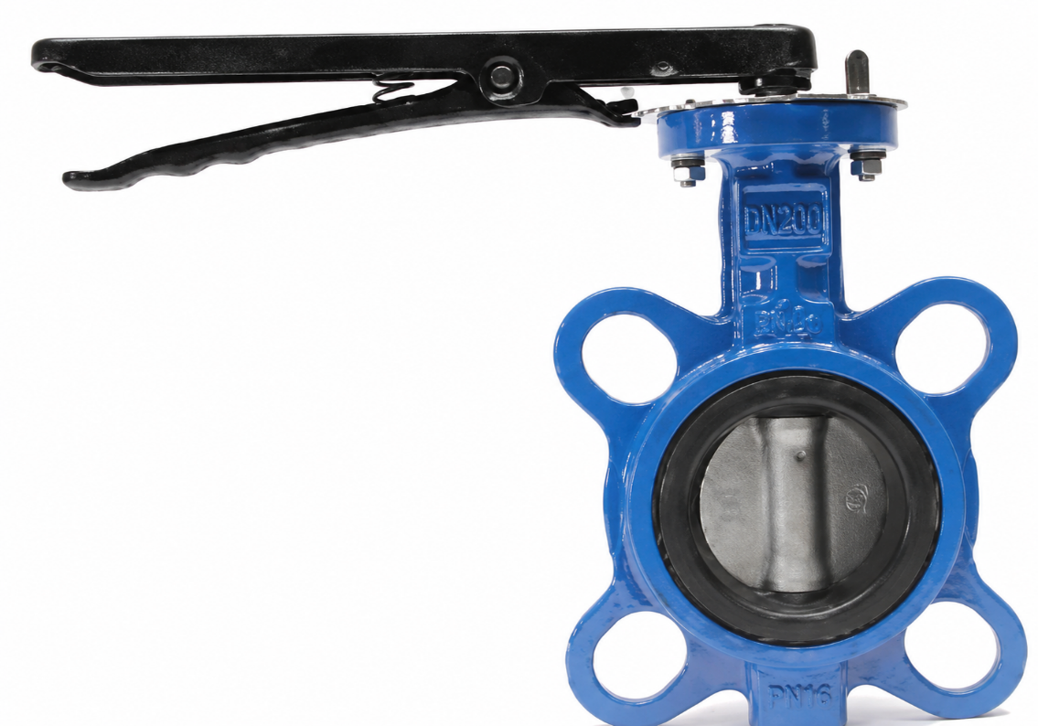
 | 3 | Disc | SS304
 | 4 | Stem | 2cr13
 | 5 | Nut | Carbon steel
 | 6 | Bolt | Carbon steel |  | Column1 | Column2 | Column3
 | 7 | Limiting stopper | Carbon steel |  | DN | DN50-DN200
 | 8 | Bolt | Carbon steel |  | PN | 1.6 Mpa
 | 9 | Woodruff key | Carbon steel |  | Suitable Temp | 10 ˚C-80˚C
 | 10 | Lever | Malleable cast iron |  | Suitable Medium | Water
 | 11 | O-ring | NBR
 | 12 | Shaft sleeve | FRP |  | Test pressure | Seal | 1.8 Mpa
 | 13 | Pin | Carbon steel |  |  | Shell | 2.4 Mpa


Heavy Strainer valve

 | Technical specifications

 | ▪Face to face : DIN 3202 F1
 | ▪Flanges: EN 1092-2 PN16
 | ▪Hydraulic Test to ISO 5208

 | DN | 15 | 20 | 25 | 32 | 40 | 50 | 65 | 80 | 100 | 125 | 150 | 200 | 250 | 300 | 350 | 400

 | L | 130 | 150 | 160 | 180 | 200 | 230 | 290 | 310 | 350 | 400 | 480 | 600 | 730 | 850 | 980 | 1100
 | D | 95 | 105 | 115 | 140 | 150 | 165 | 185 | 200 | 220 | 250 | 285 | 340 | 405 | 460 | 520 | 580
 | D1 | 65 | 75 | 85 | 100 | 110 | 125 | 145 | 160 | 180 | 210 | 240 | 295 | 355 | 410 | 470 | 525
 | D2 | 46 | 56 | 65 | 76 | 84 | 99 | 118 | 132 | 156 | 184 | 211 | 266 | 319 | 370 | 429 | 480
 | B-f | 14-2 | 16-2 | 16-2 | 18-2 | 18-2 | 20-2 | 20-2 | 22-2 | 24-2 | 26-2 | 26-2 | 30-2 | 32-2 | 32-2 | 36-2 | 38-2
 | Z-d | 4-14 | 4-14 | 4-14 | 4-19 | 4-19 | 4-19 | 4-19 | 8-19 | 8-19 | 8-19 | 8-23 | 12-23 | 12-28 | 12-28 [image] | 16-28 | 16-31

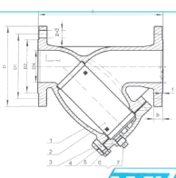

 | N˚ | Parts Name | Material
 | 1 | Body | GG25
 | 2 | Screen | SS304 |  | Column1 | Column2 | Column3
 | 3 | Gasket | Steel + graphite |  | DN | DN50-DN300
 | 4 | Bolt | Carbon steel |  | PN | 1.6 Mpa
 | 5 | Bonnet | GG25 |  | Suitable Temp | <200˚C
 | 6 | Drain plug | Carbon steel |  | Suitable Medium | Water steam oil
 | 7 | Thread seal tape | PTFE |  | Test | Shell | 2.4

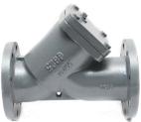
Light strainer valve

 | Technical specifications

 | ▪Face to face : DIN 3202 F1
 | ▪Flanges: EN 1092-2 PN16
 | ▪Test : ISO 5208

 | DN | 50 | 65 | 80 | 100 | 125 | 150 | 200 | 250 | 300 | Column11

 | L | 230 | 290 | 310 | 350 | 400 | 480 | 600 | 730 | 850
 | D | 165 | 185 | 200 | 220 | 250 | 285 | 340 | 405 | 460
 | D1 | 125 | 145 | 160 | 180 | 210 | 240 | 295 | 355 | 410
 | D2 | 99 | 118 | 132 | 156 | 184 | 211 | 266 | 319 | 370
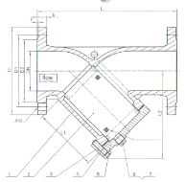
 | B-f | 20-3 | 20-3 | 22-3 | 24-3 | 26-3 | 26-3 | 30-3 | 32-3 | 32-3
 | Z-d | 4-19 | 4-19 | 8-19 | 8-19 | 8-19 | 8-23 | 12-23 | 12-28 | 12-28
 | L1 | 102 | 112 | 138 | 165 | 191 | 214 | 275 | 330 | 387
 | L2 | 141 | 161 | 184 | 222 | 257 | 290 | 363 | 434 | 542

 | N | Parts Name | Material
 | ˚
 | 1 | Body | GG25
 | 2 | Screen | SS304 |  |  | DN |  | DN50-DN300
 | 3 | Gasket | Steel + graphite |  |  | PN |  | 1.6 Mpa
 | 4 | Bolt | Carbon steel |  |  | Suitable Temp |  | <200˚C
 | 5 | Bonnet | GG25 |  |  | Suitable Medium |  | Water steam oil
 | 6 | Drain plug | Carbon steel |  |  | Test pressure |  | Shell | 2.4 Mpa
 | 7 | Thread seal tape | PTFE

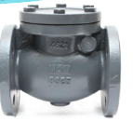

Swing check Valve

 | Technical specifications

 | ▪Face to face : DIN 3202 F6
 | ▪Flanges: DIN2533
 | ▪Test : DIN3230

 | DN | 50 | 65 | 80 | 100 | 125 | 150 | 200 | Column9 | Column10

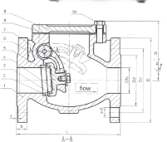
 | L | 200 | 240 | 260 | 300 | 350 | 400 | 500
 | D | 165 | 185 | 200 | 220 | 250 | 285 | 340
 | D1 | 125 | 145 | 160 | 180 | 210 | 240 | 295
 | D2 | 99 | 118 | 132 | 156 | 184 | 211 | 266
 | B-f | 20-3 | 20-3 | 22-3 | 24-3 | 26-3 | 26-3 | 30-3
 | Z-d | 4-19 | 4-19 | 8-19 | 8-19 | 8-19 | 8-23 | 12-23
 | H | 115 | 130 | 147 | 166 | 188 | 217 | 275

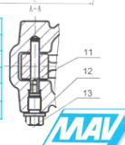
 | N˚ | Parts Name |  | Material
 | 1 | Body |  | GG25
 | 2 | Seat |  | Brass
 | 3 | Disc seal ring |  | Brass
 | 4 | disc |  | GG25
 | 5 | Washer |  | Carbon steel |  | DN | DN50-DN200
 | 6 | Bolt |  | Carbon steel |  | PN | 1.6 Mpa
 | 7 | Rocker |  | GGG40 |  | Suitable Temp | <200˚C
 | 8 | Gasket |  | Steel + graphite |  | Suitable Medium | Water steam oil
 | 9 | Bonnet |  | GG25
 | 10 | Bolt |  | Carbon steel |  | Test pressure | Seat | 1.8 Mpa
 | 11 | Pin |  | SS420 |  |  | Shell | 2.4 Mpa
 | 12 | O-ring |  | NBR
 | 13 | Screw plug |  | Carbon steel

 | More Products

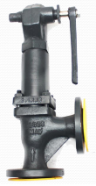
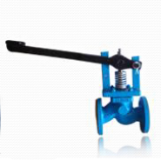
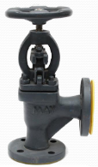
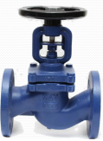

 |  | Angle |  | Safety |  | Bellow seal |  | Blow Down

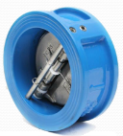
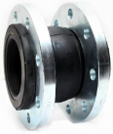
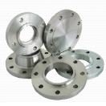

 |  | Wafer check |  | Rubber joint |  | Flanges

